Hiearchy View
CLASS: SPEAKER
transducers that convert electromagnetic waves into sound waves. The speakers receive audio input from a device such as a computer or an audio receiver. This input may be either in analog or digital form. |  | 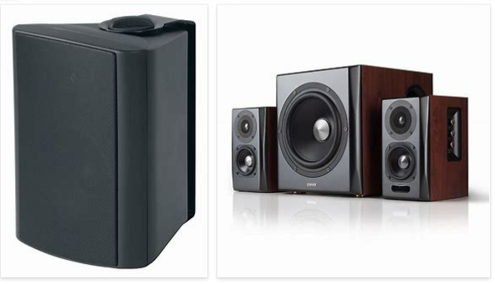
REMOVE | N

PROBLEM_DESC | CAUSE_DESC | REMEDY_DESC
ALARM/SENSOR
BROKEN/DAMAGED
NOISE
OTHER PROBLEM
OVERHEATING
POWER-ELEC
STOPPED/SLOWED/POOR OPS
TEMP-CTRL
Grand Total

